Hiearchy View
CLASS: COMMUNICATION INTERFACE MODULE
an electronic circuit, usually designed to a specific standard, that enables one machine to telecommunicate with another machine | 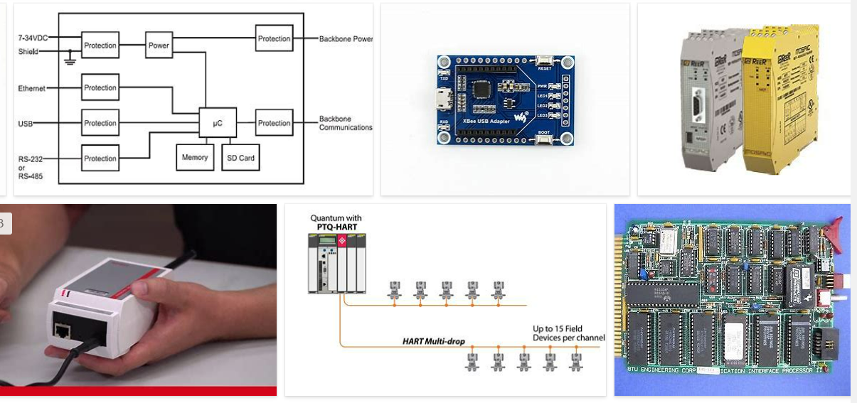
REMOVE | N

PROBLEM_DESC | CAUSE_DESC | REMEDY_DESC
ALARM/SENSOR
BROKEN/DAMAGED
LIGHTING
OTHER PROBLEM
OVERHEATING
PESTS
POWER-ELEC
STOPPED/SLOWED/POOR OPS
TEMP-CTRL
VIBRATION
Grand Total

